Sheet2


GATE PASS

FOR THE PROJECT CITI BANK DMC

 |  |  | Date | 31-Oct-24
 |  |  | PASS # | 156

For WATER Cooled Package units

S.N | Description | Size | Unit | Qty

1 | Flexible pipe connectors 24" length | 1-1/4" | Nos | 4
2 | Flexible pipe connectors 36" length | 1-1/4" | Nos | 2
3 | Flexible pipe connectors 24" length | 1" | Nos | 2
4 | Black tape 2inch | 2 Inches | Nos | 24
5 | PVC pipe AGM | 1" | Rft | 80
6 | PVC elbow | 1" | Nos | 24
7 | PVC tee | 1" | Nos | 4
8 | PVC Socket | 1" | Nos | 12
9 | MS pipe | 1-1/4" | Rft | 5

 | Hand Over to Faheem

For PIONEER SERVICES.

Sheet4
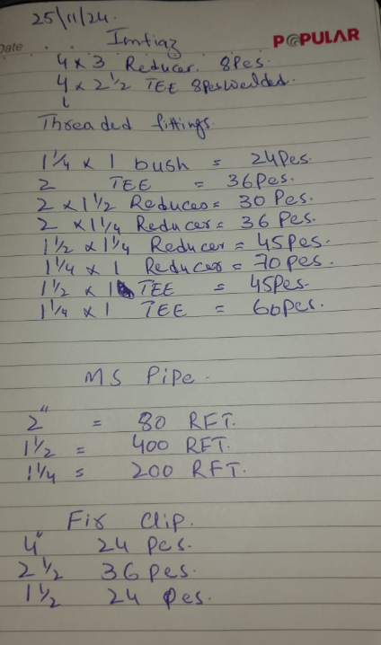
S.No | Description | Size | Qty | Unit
1 | MS Pipe | 2" | 80 | RFT
2 | MS Pipe | 1-1/2" | 400 | RFT
3 | MS Pipe | 1-1/4" | 200 | RFT
4 | Reduser | 4 x 3 | 8 | Nos
5 | TEE welded | 4 x 2-1/2 | 8 | Nos
 | Threaded fittings
1 | Bush | 1-1/4" x 1" | 24 | Nos
2 | TEE | 2" | 36 | Nos
3 | Reduser | 2" X 1-1/2" | 30 | Nos
4 | Reduser | 2" X 1-1/4" | 36 | Nos
5 | Reduser | 1-1/2" X 1-1/4" | 45 | Nos
6 | Reduser | 1-1/4" x 1" | 70 | Nos
7 | TEE | 1-1/2" x 1" | 45 | Nos
8 | TEE | 1-1/4" x 1" | 60 | Nos
9 | FIRE Clip | 4" Dia | 24 | NOS
10 | FIRE Clip | 2-1/2" | 36 | NOS
11 | FIRE Clip | 1-1/2" | 24 | NOS
12 | Anchor bold | 14mm | 50 | NOS

